ANO
1881 a 2000
SCOPUS COMPARATIVO

ANO DAS PUBLICAÇÕES

 | 1881 a 2000 |  |  | 2001 a 2021 |  |  | 1881 a 2021
YEAR | COUNT | % OF 80 | YEAR | COUNT | % OF 657 | YEAR | COUNT | % OF 737
2000 | 5 | 6.25% | 2021 | 58 | 8.83% | 2021 | 58 | 7.87%
1999 | 2 | 2.50% | 2020 | 50 | 7.61% | 2020 | 50 | 6.78%
1998 | 5 | 6.25% | 2019 | 50 | 7.61% | 2019 | 50 | 6.78%
1997 | 3 | 3.75% | 2018 | 55 | 8.37% | 2018 | 55 | 7.46%
1996 | 2 | 2.50% | 2017 | 28 | 4.26% | 2017 | 28 | 3.80%
1995 | 4 | 5.00% | 2016 | 31 | 4.72% | 2016 | 31 | 4.21%
1994 | 2 | 2.50% | 2015 | 27 | 4.11% | 2015 | 27 | 3.66%
2001 a 2021
1993 | 2 | 2.50% | 2014 | 36 | 5.48% | 2014 | 36 | 4.88%
1992 | 3 | 3.75% | 2013 | 42 | 6.39% | 2013 | 42 | 5.70%
1991 | 3 | 3.75% | 2012 | 34 | 5.18% | 2012 | 34 | 4.61%
1990 | 2 | 2.50% | 2011 | 24 | 3.65% | 2011 | 24 | 3.26%
1989 | 3 | 3.75% | 2010 | 31 | 4.72% | 2010 | 31 | 4.21%
1988 | 1 | 1.25% | 2009 | 19 | 2.89% | 2009 | 19 | 2.58%
1987 | 2 | 2.50% | 2008 | 19 | 2.89% | 2008 | 19 | 2.58%
1986 | 7 | 8.75% | 2007 | 33 | 5.02% | 2007 | 33 | 4.48%
1985 | 5 | 6.25% | 2006 | 23 | 3.50% | 2006 | 23 | 3.12%
1984 | 2 | 2.50% | 2005 | 28 | 4.26% | 2005 | 28 | 3.80%
1982 | 2 | 2.50% | 2004 | 21 | 3.20% | 2004 | 21 | 2.85%
1980 | 1 | 1.25% | 2003 | 16 | 2.44% | 2003 | 16 | 2.17%
1979 | 1 | 1.25% | 2002 | 12 | 1.83% | 2002 | 12 | 1.63%
1881 a 2021
1976 | 4 | 5.00% | 2001 | 20 | 3.04% | 2001 | 20 | 2.71%
1975 | 1 | 1.25% |  |  |  | 2000 | 5 | 0.68%
1974 | 2 | 2.50% |  |  |  | 1999 | 2 | 0.27%
1972 | 2 | 2.50% |  |  |  | 1998 | 5 | 0.68%
1971 | 2 | 2.50% |  |  |  | 1997 | 3 | 0.41%
1970 | 2 | 2.50% |  |  |  | 1996 | 2 | 0.27%
1969 | 1 | 1.25% |  |  |  | 1995 | 4 | 0.54%
1968 | 5 | 6.25% |  |  |  | 1994 | 2 | 0.27%
1967 | 1 | 1.25% |  |  |  | 1993 | 2 | 0.27%
1966 | 1 | 1.25% |  |  |  | 1992 | 3 | 0.41%
1954 | 1 | 1.25% |  |  |  | 1991 | 3 | 0.41%
1881 | 1 | 1.25% |  |  |  | 1990 | 2 | 0.27%
 |  |  |  |  |  | 1989 | 3 | 0.41%
 |  |  |  |  |  | 1988 | 1 | 0.14%
 |  |  |  |  |  | 1987 | 2 | 0.27%
 |  |  |  |  |  | 1986 | 7 | 0.95%
 |  |  |  |  |  | 1985 | 5 | 0.68%
 |  |  |  |  |  | 1984 | 2 | 0.27%
 |  |  |  |  |  | 1982 | 2 | 0.27%
 |  |  |  |  |  | 1980 | 1 | 0.14%
 |  |  |  |  |  | 1979 | 1 | 0.14%
 |  |  |  |  |  | 1976 | 4 | 0.54%
 |  |  |  |  |  | 1975 | 1 | 0.14%
 |  |  |  |  |  | 1974 | 2 | 0.27%
 |  |  |  |  |  | 1972 | 2 | 0.27%
 |  |  |  |  |  | 1971 | 2 | 0.27%
 |  |  |  |  |  | 1970 | 2 | 0.27%
 |  |  |  |  |  | 1969 | 1 | 0.14%
 |  |  |  |  |  | 1968 | 5 | 0.68%
 |  |  |  |  |  | 1967 | 1 | 0.14%
 |  |  |  |  |  | 1966 | 1 | 0.14%
 |  |  |  |  |  | 1954 | 1 | 0.14%
 |  |  |  |  |  | 1881 | 1 | 0.14%

PERIÓDICO
1881 a 2000
SCOPUS COMPARATIVO

SOURCE TITLE

 | 1881 a 2000 |  |  | 2001 a 2021 |  |  | 1881 a 2021
SOURCE | COUNT | % OF 80 | SOURCE | COUNT | % OF 657 | SOURCE | COUNT | % OF 737
Chemical And Pharmaceutical Bulletin, | 16 | 20.00% | Journal Of Ethnopharmacology, | 18 | 2.74% | Journal Of Ethnopharmacology, | 19 | 2.58%
Phytochemistry, | 8 | 10.00% | Evidence Based Complementary And Alternative Medicine, | 17 | 2.59% | Chemical And Pharmaceutical Bulletin, | 18 | 2.44%
Yakugaku Zasshi, | 6 | 7.50% | Iop Conference Series Earth And Environmental Science, | 12 | 1.83% | Evidence Based Complementary And Alternative Medicine, | 17 | 2.31%
Archives Of Pharmacal Research, | 2 | 2.50% | Chinese Pharmaceutical Journal, | 9 | 1.37% | Iop Conference Series Earth And Environmental Science, | 12 | 1.63%
Fitoterapia, | 2 | 2.50% | Chinese Journal Of Clinical Rehabilitation, | 8 | 1.22% | Fitoterapia, | 10 | 1.36%
Journal Of The Chemical Society Perkin Transactions 1, | 2 | 2.50% | Fitoterapia, | 8 | 1.22% | Chinese Pharmaceutical Journal, | 9 | 1.22%
Pharmazeutische Zeitung, | 2 | 2.50% | Natural Product Communications, | 8 | 1.22% | Phytochemistry, | 9 | 1.22%
Starch Starke, | 2 | 2.50% | Chinese Traditional And Herbal Drugs, | 7 | 1.07% | Chinese Journal Of Clinical Rehabilitation, | 8 | 1.09%
Yakugaku Zasshi Journal Of The Pharmaceutical Society Of Japan, | 2 | 2.50% | Journal Of Natural Medicines, | 7 | 1.07% | Natural Product Communications, | 8 | 1.09%
Zhongguo Zhong Xi Yi Jie He Za Zhi Zhongguo Zhongxiyi Jiehe Zazhi Chinese Journal Of Integrated Traditional And Western Medicine Zhongguo Zhong Xi Yi Jie He Xue Hui Zhongguo Zhong Yi Yan Jiu Yuan Zhu Ban, | 2 | 2.50% | Phytotherapy Research, | 7 | 1.07% | Yaoxue Xuebao, | 8 | 1.09%
2001 a 2021
Zhongguo Zhong Yao Za Zhi Zhongguo Zhongyao Zazhi China Journal Of Chinese Materia Medica, | 2 | 2.50% | Yaoxue Xuebao, | 7 | 1.07% | Chinese Traditional And Herbal Drugs, | 7 | 0.95%
Analyst, | 1 | 1.25% | Molecules, | 6 | 0.91% | Journal Of Natural Medicines, | 7 | 0.95%
Archiv Der Pharmazie, | 1 | 1.25% | Pharmacognosy Journal, | 6 | 0.91% | Phytotherapy Research, | 7 | 0.95%
Biomedical Research, | 1 | 1.25% | Zhongguo Zhongyao Zazhi, | 6 | 0.91% | Archives Of Pharmacal Research, | 6 | 0.81%
Bioorganic And Medicinal Chemistry Letters, | 1 | 1.25% | Acta Horticulturae, | 5 | 0.76% | Molecules, | 6 | 0.81%
British Journal Of Nutrition, | 1 | 1.25% | Aip Conference Proceedings, | 5 | 0.76% | Pharmacognosy Journal, | 6 | 0.81%
Chinese Journal Of Oncology, | 1 | 1.25% | American Journal Of Chinese Medicine, | 5 | 0.76% | Yakugaku Zasshi, | 6 | 0.81%
Chinese Medical Journal, | 1 | 1.25% | Biological And Pharmaceutical Bulletin, | 5 | 0.76% | Zhongguo Zhong Xi Yi Jie He Za Zhi Zhongguo Zhongxiyi Jiehe Zazhi Chinese Journal Of Integrated Traditional And Western Medicine Zhongguo Zhong Xi Yi Jie He Xue Hui Zhongguo Zhong Yi Yan Jiu Yuan Zhu Ban, | 6 | 0.81%
Deutsche Apotheker Zeitung, | 1 | 1.25% | Chinese Journal Of Integrative Medicine, | 5 | 0.76% | Zhongguo Zhongyao Zazhi, | 6 | 0.81%
Economic Botany, | 1 | 1.25% | Frontiers In Pharmacology, | 5 | 0.76% | Acta Horticulturae, | 5 | 0.68%
European Journal Of Pharmacology, | 1 | 1.25% | International Journal Of Biological Macromolecules, | 5 | 0.76% | Aip Conference Proceedings, | 5 | 0.68%
Indian Journal Of Biochemistry And Biophysics, | 1 | 1.25% | International Journal Of Molecular Sciences, | 5 | 0.76% | American Journal Of Chinese Medicine, | 5 | 0.68%
Indian Journal Of Medical Research, | 1 | 1.25% | International Journal Of Pharmaceutics, | 5 | 0.76% | Biological And Pharmaceutical Bulletin, | 5 | 0.68%
Inflammation Research, | 1 | 1.25% | International Journal Of Pharmtech Research, | 5 | 0.76% | Chinese Journal Of Integrative Medicine, | 5 | 0.68%
Journal Of Cellular Biochemistry, | 1 | 1.25% | Natural Product Research, | 5 | 0.76% | Frontiers In Pharmacology, | 5 | 0.68%
1881 a 2021
Journal Of Essential Oil Research, | 1 | 1.25% | Archives Of Pharmacal Research, | 4 | 0.61% | International Journal Of Biological Macromolecules, | 5 | 0.68%
Journal Of Ethnopharmacology, | 1 | 1.25% | Bioorganic Chemistry, | 4 | 0.61% | International Journal Of Molecular Sciences, | 5 | 0.68%
Journal Of Natural Products, | 1 | 1.25% | Integrative Cancer Therapies, | 4 | 0.61% | International Journal Of Pharmaceutics, | 5 | 0.68%
Journal Of Shanghai Medical University, | 1 | 1.25% | Iop Conference Series Materials Science And Engineering, | 4 | 0.61% | International Journal Of Pharmtech Research, | 5 | 0.68%
Journal Of The Chemical Society C Organic Chemistry, | 1 | 1.25% | Journal Of Essential Oil Research, | 4 | 0.61% | Journal Of Essential Oil Research, | 5 | 0.68%
Journal Of The National Science Council Of Sri Lanka, | 1 | 1.25% | Journal Of Natural Remedies, | 4 | 0.61% | Natural Product Research, | 5 | 0.68%
Korean Journal Of Pharmacognosy, | 1 | 1.25% | Journal Of Physics Conference Series, | 4 | 0.61% | Zhongguo Zhong Yao Za Zhi Zhongguo Zhongyao Zazhi China Journal Of Chinese Materia Medica, | 5 | 0.68%
Lloydia, | 1 | 1.25% | Pakistan Journal Of Pharmaceutical Sciences, | 4 | 0.61% | Bioorganic Chemistry, | 4 | 0.54%
Molecules And Cells, | 1 | 1.25% | Parasitology Research, | 4 | 0.61% | Integrative Cancer Therapies, | 4 | 0.54%
Mutation Research Genetic Toxicology, | 1 | 1.25% | Phytomedicine, | 4 | 0.61% | Iop Conference Series Materials Science And Engineering, | 4 | 0.54%
Pharmazeutische Industrie, | 1 | 1.25% | Zhong Yao Cai Zhongyaocai Journal Of Chinese Medicinal Materials, | 4 | 0.61% | Journal Of Natural Remedies, | 4 | 0.54%
Phytochemical Analysis, | 1 | 1.25% | Zhongguo Zhen Jiu Chinese Acupuncture Moxibustion, | 4 | 0.61% | Journal Of Physics Conference Series, | 4 | 0.54%
Planta Medica, | 1 | 1.25% | Zhongguo Zhong Xi Yi Jie He Za Zhi Zhongguo Zhongxiyi Jiehe Zazhi Chinese Journal Of Integrated Traditional And Western Medicine Zhongguo Zhong Xi Yi Jie He Xue Hui Zhongguo Zhong Yi Yan Jiu Yuan Zhu Ban, | 4 | 0.61% | Korean Journal Of Pharmacognosy, | 4 | 0.54%
Scientia Agricola, | 1 | 1.25% | Asian Journal Of Pharmaceutical And Clinical Research, | 3 | 0.46% | Pakistan Journal Of Pharmaceutical Sciences, | 4 | 0.54%
Tetrahedron Letters, | 1 | 1.25% | BMC Complementary And Alternative Medicine, | 3 | 0.46% | Parasitology Research, | 4 | 0.54%
Yaoxue Xuebao, | 1 | 1.25% | Bioorganic And Medicinal Chemistry, | 3 | 0.46% | Phytomedicine, | 4 | 0.54%
Zeitschrift Fur Allgemeinmedizin, | 1 | 1.25% | Chinese Pharmacological Bulletin, | 3 | 0.46% | Planta Medica, | 4 | 0.54%
Zhong Yao Tong Bao Beijing China 1981, | 1 | 1.25% | Food Chemistry, | 3 | 0.46% | Zhong Yao Cai Zhongyaocai Journal Of Chinese Medicinal Materials, | 4 | 0.54%
 |  |  | Industrial Crops And Products, | 3 | 0.46% | Zhongguo Zhen Jiu Chinese Acupuncture Moxibustion, | 4 | 0.54%
 |  |  | International Journal Of Oncology, | 3 | 0.46% | Asian Journal Of Pharmaceutical And Clinical Research, | 3 | 0.41%
 |  |  | International Journal Of Pharmacy And Pharmaceutical Sciences, | 3 | 0.46% | BMC Complementary And Alternative Medicine, | 3 | 0.41%
 |  |  | Japanese Journal Of Crop Science, | 3 | 0.46% | Bioorganic And Medicinal Chemistry, | 3 | 0.41%
 |  |  | Journal Of Drug Delivery Science And Technology, | 3 | 0.46% | Chinese Pharmacological Bulletin, | 3 | 0.41%
 |  |  | Journal Of Herbal Medicine, | 3 | 0.46% | Food Chemistry, | 3 | 0.41%
 |  |  | Journal Of Pharmacy And Pharmacology, | 3 | 0.46% | Industrial Crops And Products, | 3 | 0.41%
 |  |  | Korean Journal Of Pharmacognosy, | 3 | 0.46% | International Journal Of Oncology, | 3 | 0.41%
 |  |  | Oncology Letters, | 3 | 0.46% | International Journal Of Pharmacy And Pharmaceutical Sciences, | 3 | 0.41%
 |  |  | Planta Medica, | 3 | 0.46% | Japanese Journal Of Crop Science, | 3 | 0.41%
 |  |  | Records Of Natural Products, | 3 | 0.46% | Journal Of Drug Delivery Science And Technology, | 3 | 0.41%
 |  |  | Songklanakarin Journal Of Science And Technology, | 3 | 0.46% | Journal Of Herbal Medicine, | 3 | 0.41%
 |  |  | World Chinese Journal Of Digestology, | 3 | 0.46% | Journal Of Pharmacy And Pharmacology, | 3 | 0.41%
 |  |  | World Journal Of Gastroenterology, | 3 | 0.46% | Oncology Letters, | 3 | 0.41%
 |  |  | Zhongguo Zhong Yao Za Zhi Zhongguo Zhongyao Zazhi China Journal Of Chinese Materia Medica, | 3 | 0.46% | Records Of Natural Products, | 3 | 0.41%
 |  |  | Advanced Materials Research, | 2 | 0.30% | Scientia Agricola, | 3 | 0.41%
 |  |  | Advances In Experimental Medicine And Biology, | 2 | 0.30% | Songklanakarin Journal Of Science And Technology, | 3 | 0.41%
 |  |  | Advances In Natural And Applied Sciences, | 2 | 0.30% | World Chinese Journal Of Digestology, | 3 | 0.41%
 |  |  | African Journal Of Biotechnology, | 2 | 0.30% | World Journal Of Gastroenterology, | 3 | 0.41%
 |  |  | Asian Journal Of Chemistry, | 2 | 0.30% | Advanced Materials Research, | 2 | 0.27%
 |  |  | Asian Journal Of Pharmaceutical Sciences, | 2 | 0.30% | Advances In Experimental Medicine And Biology, | 2 | 0.27%
 |  |  | Asian Pacific Journal Of Cancer Prevention, | 2 | 0.30% | Advances In Natural And Applied Sciences, | 2 | 0.27%
 |  |  | Asian Pacific Journal Of Tropical Biomedicine, | 2 | 0.30% | African Journal Of Biotechnology, | 2 | 0.27%
 |  |  | Biodiversitas, | 2 | 0.30% | Asian Journal Of Chemistry, | 2 | 0.27%
 |  |  | Biomedical Chromatography, | 2 | 0.30% | Asian Journal Of Pharmaceutical Sciences, | 2 | 0.27%
 |  |  | Biomedical Research India, | 2 | 0.30% | Asian Pacific Journal Of Cancer Prevention, | 2 | 0.27%
 |  |  | Bioscience Biotechnology And Biochemistry, | 2 | 0.30% | Asian Pacific Journal Of Tropical Biomedicine, | 2 | 0.27%
 |  |  | Carbohydrate Polymers, | 2 | 0.30% | Biodiversitas, | 2 | 0.27%
 |  |  | Cellular Physiology And Biochemistry, | 2 | 0.30% | Biomedical Chromatography, | 2 | 0.27%
 |  |  | Chemical And Pharmaceutical Bulletin, | 2 | 0.30% | Biomedical Research India, | 2 | 0.27%
 |  |  | Chemistry And Biodiversity, | 2 | 0.30% | Bioorganic And Medicinal Chemistry Letters, | 2 | 0.27%
 |  |  | Chinese Journal Of New Drugs, | 2 | 0.30% | Bioscience Biotechnology And Biochemistry, | 2 | 0.27%
 |  |  | Cochrane Database Of Systematic Reviews, | 2 | 0.30% | Carbohydrate Polymers, | 2 | 0.27%
 |  |  | Colloids And Surfaces A Physicochemical And Engineering Aspects, | 2 | 0.30% | Cellular Physiology And Biochemistry, | 2 | 0.27%
 |  |  | Current Pharmaceutical Design, | 2 | 0.30% | Chemistry And Biodiversity, | 2 | 0.27%
 |  |  | Drug News And Perspectives, | 2 | 0.30% | Chinese Journal Of New Drugs, | 2 | 0.27%
 |  |  | Food And Function, | 2 | 0.30% | Cochrane Database Of Systematic Reviews, | 2 | 0.27%
 |  |  | Foods, | 2 | 0.30% | Colloids And Surfaces A Physicochemical And Engineering Aspects, | 2 | 0.27%
 |  |  | Helvetica Chimica Acta, | 2 | 0.30% | Current Pharmaceutical Design, | 2 | 0.27%
 |  |  | Indonesian Journal Of Chemistry, | 2 | 0.30% | Drug News And Perspectives, | 2 | 0.27%
 |  |  | International Immunopharmacology, | 2 | 0.30% | Food And Function, | 2 | 0.27%
 |  |  | International Journal Of Applied Pharmaceutics, | 2 | 0.30% | Foods, | 2 | 0.27%
 |  |  | International Journal Of Drug Development And Research, | 2 | 0.30% | Helvetica Chimica Acta, | 2 | 0.27%
 |  |  | International Journal Of Pharma And Bio Sciences, | 2 | 0.30% | Indonesian Journal Of Chemistry, | 2 | 0.27%
 |  |  | International Journal Of Pharmaceutical Research, | 2 | 0.30% | International Immunopharmacology, | 2 | 0.27%
 |  |  | Iranian Journal Of Pharmaceutical Research, | 2 | 0.30% | International Journal Of Applied Pharmaceutics, | 2 | 0.27%
 |  |  | Journal Of Advanced Pharmaceutical Technology And Research, | 2 | 0.30% | International Journal Of Drug Development And Research, | 2 | 0.27%
 |  |  | Journal Of Applied Cosmetology, | 2 | 0.30% | International Journal Of Pharma And Bio Sciences, | 2 | 0.27%
 |  |  | Journal Of Asian Natural Products Research, | 2 | 0.30% | International Journal Of Pharmaceutical Research, | 2 | 0.27%
 |  |  | Journal Of Chinese Medicine, | 2 | 0.30% | Iranian Journal Of Pharmaceutical Research, | 2 | 0.27%
 |  |  | Journal Of Chinese Pharmaceutical Sciences, | 2 | 0.30% | Journal Of Advanced Pharmaceutical Technology And Research, | 2 | 0.27%
 |  |  | Journal Of Essential Oil Bearing Plants, | 2 | 0.30% | Journal Of Applied Cosmetology, | 2 | 0.27%
 |  |  | Journal Of Liposome Research, | 2 | 0.30% | Journal Of Asian Natural Products Research, | 2 | 0.27%
 |  |  | Journal Of Plant Biochemistry And Biotechnology, | 2 | 0.30% | Journal Of Cellular Biochemistry, | 2 | 0.27%
 |  |  | Journal Of The Indian Chemical Society, | 2 | 0.30% | Journal Of Chinese Medicine, | 2 | 0.27%
 |  |  | Journal Of Traditional Chinese Medicine, | 2 | 0.30% | Journal Of Chinese Pharmaceutical Sciences, | 2 | 0.27%
 |  |  | Life Sciences, | 2 | 0.30% | Journal Of Essential Oil Bearing Plants, | 2 | 0.27%
 |  |  | Lung Cancer, | 2 | 0.30% | Journal Of Liposome Research, | 2 | 0.27%
 |  |  | Medical Science Monitor, | 2 | 0.30% | Journal Of Natural Products, | 2 | 0.27%
 |  |  | Medicinal Chemistry Research, | 2 | 0.30% | Journal Of Plant Biochemistry And Biotechnology, | 2 | 0.27%
 |  |  | Mini Reviews In Medicinal Chemistry, | 2 | 0.30% | Journal Of The Chemical Society Perkin Transactions 1, | 2 | 0.27%
 |  |  | Molecular Medicine Reports, | 2 | 0.30% | Journal Of The Indian Chemical Society, | 2 | 0.27%
 |  |  | Natural Product Sciences, | 2 | 0.30% | Journal Of Traditional Chinese Medicine, | 2 | 0.27%
 |  |  | Oncology Reports, | 2 | 0.30% | Life Sciences, | 2 | 0.27%
 |  |  | Organic Letters, | 2 | 0.30% | Lung Cancer, | 2 | 0.27%
 |  |  | Pakistan Journal Of Biological Sciences, | 2 | 0.30% | Medical Science Monitor, | 2 | 0.27%
 |  |  | Pesticide Biochemistry And Physiology, | 2 | 0.30% | Medicinal Chemistry Research, | 2 | 0.27%
 |  |  | Pharmazie, | 2 | 0.30% | Mini Reviews In Medicinal Chemistry, | 2 | 0.27%
 |  |  | Phytochemistry Letters, | 2 | 0.30% | Molecular Medicine Reports, | 2 | 0.27%
 |  |  | Plant Archives, | 2 | 0.30% | Natural Product Sciences, | 2 | 0.27%
 |  |  | Revista Brasileira De Farmacognosia, | 2 | 0.30% | Oncology Reports, | 2 | 0.27%
 |  |  | Scientia Agricola, | 2 | 0.30% | Organic Letters, | 2 | 0.27%
 |  |  | Tropical Journal Of Pharmaceutical Research, | 2 | 0.30% | Pakistan Journal Of Biological Sciences, | 2 | 0.27%
 |  |  | Zeitschrift Fur Naturforschung Section C Journal Of Biosciences, | 2 | 0.30% | Pesticide Biochemistry And Physiology, | 2 | 0.27%
 |  |  | Zhonghua Gan Zang Bing Za Zhi Zhonghua Ganzangbing Zazhi Chinese Journal Of Hepatology, | 2 | 0.30% | Pharmazeutische Zeitung, | 2 | 0.27%
 |  |  | 3 Biotech, | 1 | 0.15% | Pharmazie, | 2 | 0.27%
 |  |  | ACS Applied Materials And Interfaces, | 1 | 0.15% | Phytochemistry Letters, | 2 | 0.27%
 |  |  | Acta Chimica Sinica, | 1 | 0.15% | Plant Archives, | 2 | 0.27%
 |  |  | Acta Crystallographica Section E Structure Reports Online, | 1 | 0.15% | Revista Brasileira De Farmacognosia, | 2 | 0.27%
 |  |  | Acta Farmaceutica Bonaerense, | 1 | 0.15% | Starch Starke, | 2 | 0.27%
 |  |  | Acta Odontologica Scandinavica, | 1 | 0.15% | Tetrahedron Letters, | 2 | 0.27%
 |  |  | Acta Pharmaceutica, | 1 | 0.15% | Tropical Journal Of Pharmaceutical Research, | 2 | 0.27%
 |  |  | Acta Theriologica Sinica, | 1 | 0.15% | Yakugaku Zasshi Journal Of The Pharmaceutical Society Of Japan, | 2 | 0.27%
 |  |  | Agriculture And Natural Resources, | 1 | 0.15% | Zeitschrift Fur Naturforschung Section C Journal Of Biosciences, | 2 | 0.27%
 |  |  | Ai Zheng Aizheng Chinese Journal Of Cancer, | 1 | 0.15% | Zhonghua Gan Zang Bing Za Zhi Zhonghua Ganzangbing Zazhi Chinese Journal Of Hepatology, | 2 | 0.27%
 |  |  | Alternative And Complementary Therapies, | 1 | 0.15% | 3 Biotech, | 1 | 0.14%
 |  |  | Ambix, | 1 | 0.15% | ACS Applied Materials And Interfaces, | 1 | 0.14%
 |  |  | American Eurasian Journal Of Sustainable Agriculture, | 1 | 0.15% | Acta Chimica Sinica, | 1 | 0.14%
 |  |  | American Journal Of Therapeutics, | 1 | 0.15% | Acta Crystallographica Section E Structure Reports Online, | 1 | 0.14%
 |  |  | Analytical Biochemistry, | 1 | 0.15% | Acta Farmaceutica Bonaerense, | 1 | 0.14%
 |  |  | Andrologia, | 1 | 0.15% | Acta Odontologica Scandinavica, | 1 | 0.14%
 |  |  | Ankara Universitesi Eczacilik Fakultesi Dergisi, | 1 | 0.15% | Acta Pharmaceutica, | 1 | 0.14%
 |  |  | Annals Of Applied Biology, | 1 | 0.15% | Acta Theriologica Sinica, | 1 | 0.14%
 |  |  | Annals Of Cardiothoracic Surgery, | 1 | 0.15% | Agriculture And Natural Resources, | 1 | 0.14%
 |  |  | Annals Of Palliative Medicine, | 1 | 0.15% | Ai Zheng Aizheng Chinese Journal Of Cancer, | 1 | 0.14%
 |  |  | Aquaculture, | 1 | 0.15% | Alternative And Complementary Therapies, | 1 | 0.14%
 |  |  | Artificial Cells Nanomedicine And Biotechnology, | 1 | 0.15% | Ambix, | 1 | 0.14%
 |  |  | Asian Pacific Journal Of Tropical Medicine, | 1 | 0.15% | American Eurasian Journal Of Sustainable Agriculture, | 1 | 0.14%
 |  |  | Australian Journal Of Crop Science, | 1 | 0.15% | American Journal Of Therapeutics, | 1 | 0.14%
 |  |  | BMC Complementary Medicine And Therapies, | 1 | 0.15% | Analyst, | 1 | 0.14%
 |  |  | BMC Veterinary Research, | 1 | 0.15% | Analytical Biochemistry, | 1 | 0.14%
 |  |  | Behavioral And Brain Functions, | 1 | 0.15% | Andrologia, | 1 | 0.14%
 |  |  | Biochemical And Cellular Archives, | 1 | 0.15% | Ankara Universitesi Eczacilik Fakultesi Dergisi, | 1 | 0.14%
 |  |  | Biochemical Systematics And Ecology, | 1 | 0.15% | Annals Of Applied Biology, | 1 | 0.14%
 |  |  | Bioengineered, | 1 | 0.15% | Annals Of Cardiothoracic Surgery, | 1 | 0.14%
 |  |  | Biofactors, | 1 | 0.15% | Annals Of Palliative Medicine, | 1 | 0.14%
 |  |  | Biointerface Research In Applied Chemistry, | 1 | 0.15% | Aquaculture, | 1 | 0.14%
 |  |  | Bioorganic And Medicinal Chemistry Letters, | 1 | 0.15% | Archiv Der Pharmazie, | 1 | 0.14%
 |  |  | Bioscience Journal, | 1 | 0.15% | Artificial Cells Nanomedicine And Biotechnology, | 1 | 0.14%
 |  |  | Biotechnology, | 1 | 0.15% | Asian Pacific Journal Of Tropical Medicine, | 1 | 0.14%
 |  |  | Biotechnology And Bioprocess Engineering, | 1 | 0.15% | Australian Journal Of Crop Science, | 1 | 0.14%
 |  |  | Biotechnology And Biotechnological Equipment, | 1 | 0.15% | BMC Complementary Medicine And Therapies, | 1 | 0.14%
 |  |  | Biotropia, | 1 | 0.15% | BMC Veterinary Research, | 1 | 0.14%
 |  |  | Boletin Latinoamericano Y Del Caribe De Plantas Medicinales Y Aromaticas, | 1 | 0.15% | Behavioral And Brain Functions, | 1 | 0.14%
 |  |  | Bragantia, | 1 | 0.15%

ÁREA DE PESQUISA
1881 a 2000
SCOPUS COMPARATIVO

SUBJECT AREA

 | 1881 a 2000 |  |  | 2001 a 2021 |  |  | 1881 a 2021
SUBJECT AREA | COUNT | % OF 80 | SUBJECT AREA | COUNT | % OF 657 | SUBJECT AREA | COUNT | % OF 737
Pharmacology, Toxicology and Pharmaceutics, | 45 | 56.25% | Pharmacology, Toxicology and Pharmaceutics, | 270 | 41.10% | Pharmacology, Toxicology and Pharmaceutics, | 315 | 42.74%
Chemistry, | 30 | 37.50% | Medicine, | 224 | 34.09% | Medicine, | 242 | 32.84%
Biochemistry, Genetics and Molecular Biology, | 24 | 30.00% | Biochemistry, Genetics and Molecular Biology, | 177 | 26.94% | Biochemistry, Genetics and Molecular Biology, | 201 | 27.27%
Medicine, | 18 | 22.50% | Agricultural and Biological Sciences, | 122 | 18.57% | Chemistry, | 148 | 20.08%
Agricultural and Biological Sciences, | 13 | 16.25% | Chemistry, | 118 | 17.96% | Agricultural and Biological Sciences, | 135 | 18.32%
Environmental Science, | 1 | 1.25% | Chemical Engineering, | 32 | 4.87% | Chemical Engineering, | 32 | 4.34%
Immunology and Microbiology, | 1 | 1.25% | Environmental Science, | 28 | 4.26% | Environmental Science, | 29 | 3.93%
Multidisciplinary, | 1 | 1.25% | Immunology and Microbiology, | 27 | 4.11% | Immunology and Microbiology, | 28 | 3.80%
Nursing, | 1 | 1.25% | Engineering, | 19 | 2.89% | Engineering, | 19 | 2.58%
 |  |  | Materials Science, | 17 | 2.59% | Materials Science, | 17 | 2.31%
2001 a 2021
 | % OF 657
Biochemistry, Genetics and Molecular Biology, | 26.94%
Agricultural and Biological Sciences, | 18.57%
Chemistry, | 17.96%
Chemical Engineering, | 4.87%
Environmental Science, | 4.26%
Immunology and Microbiology, | 4.11%
Engineering, | 2.89%
Materials Science, | 2.59%
Earth and Planetary Sciences, | 2.44%
Physics and Astronomy, | 2.28%
Veterinary, | 1.67%
Computer Science, | 1.52%
Multidisciplinary, | 1.37%
Energy, | 1.07%
Economics, Econometrics and Finance, | 0.76%
Neuroscience, | 0.76%
Nursing, | 0.76%
Health Professions, | 0.61%
Mathematics, | 0.46%
Social Sciences, | 0.46%
Arts and Humanities, | 0.30%
Dentistry, | 0.30%
 |  |  | Earth and Planetary Sciences, | 16 | 2.44% | Earth and Planetary Sciences, | 16 | 2.17%
 |  |  | Physics and Astronomy, | 15 | 2.28% | Physics and Astronomy, | 15 | 2.04%
 |  |  | Veterinary, | 11 | 1.67% | Veterinary, | 11 | 1.49%
 |  |  | Computer Science, | 10 | 1.52% | Computer Science, | 10 | 1.36%
 |  |  | Multidisciplinary, | 9 | 1.37% | Multidisciplinary, | 10 | 1.36%
 |  |  | Energy, | 7 | 1.07% | Energy, | 7 | 0.95%
 |  |  | Economics, Econometrics and Finance, | 5 | 0.76% | Nursing, | 6 | 0.81%
 |  |  | Neuroscience, | 5 | 0.76% | Economics, Econometrics and Finance, | 5 | 0.68%
 |  |  | Nursing, | 5 | 0.76% | Neuroscience, | 5 | 0.68%
 |  |  | Health Professions, | 4 | 0.61% | Health Professions, | 4 | 0.54%
 |  |  | Mathematics, | 3 | 0.46% | Mathematics, | 3 | 0.41%
 |  |  | Social Sciences, | 3 | 0.46% | Social Sciences, | 3 | 0.41%
 |  |  | Arts and Humanities, | 2 | 0.30% | Arts and Humanities, | 2 | 0.27%
 |  |  | Dentistry, | 2 | 0.30% | Dentistry, | 2 | 0.27%

1881 a 2021

PAÍSES
Countries / Regions
SCOPUS COMPARATIVO

COUNTRY / REGION

 | 1881 a 2000 |  |  | 2001 a 2021 |  |  | 1881 a 2021
COUNTRY/ REGION | COUNT | % OF 80 | COUNTRY/ REGION | COUNT | % OF 657 | COUNTRY/ REGION | COUNT | % OF 737
Japan, | 36 | 45.00% | China, | 244 | 37.14% | China, | 253 | 34.33%
India, | 11 | 13.75% | India, | 74 | 11.26% | Japan, | 95 | 12.89%
China, | 9 | 11.25% | Indonesia, | 63 | 9.59% | India, | 85 | 11.53%
Germany, | 5 | 6.25% | Japan, | 59 | 8.98% | Indonesia, | 63 | 8.55%
South Korea, | 4 | 5.00% | Thailand, | 57 | 8.68% | Thailand, | 57 | 7.73%
Taiwan, | 2 | 2.50% | South Korea, | 45 | 6.85% | South Korea, | 49 | 6.65%
Bangladesh, | 1 | 1.25% | Malaysia, | 32 | 4.87% | Malaysia, | 33 | 4.48%
Brazil, | 1 | 1.25% | Brazil, | 24 | 3.65% | Brazil, | 25 | 3.39%
France, | 1 | 1.25% | United States, | 21 | 3.20% | United States, | 22 | 2.99%
Malaysia, | 1 | 1.25% | Bangladesh, | 14 | 2.13% | Bangladesh, | 15 | 2.04%
Netherlands, | 1 | 1.25% | Taiwan, | 13 | 1.98% | Taiwan, | 15 | 2.04%
Sri Lanka, | 1 | 1.25% | Iran, | 11 | 1.67% | Germany, | 13 | 1.76%
United Kingdom, | 1 | 1.25% | Viet Nam, | 11 | 1.67% | Iran, | 11 | 1.49%
United States, | 1 | 1.25% | Australia, | 8 | 1.22% | Viet Nam, | 11 | 1.49%
Yugoslavia, | 1 | 1.25% | Germany, | 8 | 1.22% | Australia, | 8 | 1.09%
Undefined, | 6 | 7.50% | Pakistan, | 8 | 1.22% | Pakistan, | 8 | 1.09%
 |  |  | Greece, | 4 | 0.61% | United Kingdom, | 5 | 0.68%
 |  |  | Italy, | 4 | 0.61% | France, | 4 | 0.54% | COUNTRY/ REGION | 1881 a 2000 | 2001 a 2021 | 1881 a 2021
 |  |  | Macao, | 4 | 0.61% | Greece, | 4 | 0.54% | China, | 9 | 244 | 253
 |  |  | Poland, | 4 | 0.61% | Italy, | 4 | 0.54% | Japan, | 36 | 59 | 95
 |  |  | United Kingdom, | 4 | 0.61% | Macao, | 4 | 0.54% | India, | 11 | 74 | 85
 |  |  | Canada, | 3 | 0.46% | Poland, | 4 | 0.54% | Indonesia | 0 | 63 | 63
 |  |  | Denmark, | 3 | 0.46% | Canada, | 3 | 0.41% | Thailand | 0 | 57 | 57
 |  |  | France, | 3 | 0.46% | Denmark, | 3 | 0.41% | South Korea, | 4 | 45 | 49
 |  |  | Sweden, | 3 | 0.46% | Sweden, | 3 | 0.41% | Malaysia, | 1 | 32 | 33
 |  |  | Austria, | 2 | 0.30% | Austria, | 2 | 0.27% | Brazil, | 1 | 24 | 25
 |  |  | Belgium, | 2 | 0.30% | Belgium, | 2 | 0.27% | United States, | 1 | 21 | 22
 |  |  | Burkina Faso, | 2 | 0.30% | Burkina Faso, | 2 | 0.27% | Taiwan, | 2 | 13 | 15
 |  |  | Hong Kong, | 2 | 0.30% | Hong Kong, | 2 | 0.27% | Bangladesh, | 1 | 14 | 15
 |  |  | Iraq, | 2 | 0.30% | Iraq, | 2 | 0.27% | Germany, | 5 | 8 | 13
 |  |  | Saudi Arabia, | 2 | 0.30% | Saudi Arabia, | 2 | 0.27% | Iran | 0 | 11 | 11
 |  |  | Spain, | 2 | 0.30% | Spain, | 2 | 0.27% | Viet Nam | 0 | 11 | 11
 |  |  | Sudan, | 2 | 0.30% | Sri Lanka, | 2 | 0.27% | Australia | 0 | 8 | 8
 |  |  | Argentina, | 1 | 0.15% | Sudan, | 2 | 0.27% | Pakistan | 0 | 8 | 8
 |  |  | Brunei Darussalam, | 1 | 0.15% | Argentina, | 1 | 0.14% | United Kingdom, | 1 | 4 | 5
 |  |  | Bulgaria, | 1 | 0.15% | Brunei Darussalam, | 1 | 0.14% | France, | 1 | 3 | 4
 |  |  | Chile, | 1 | 0.15% | Bulgaria, | 1 | 0.14% | Greece, | 0 | 4 | 4
 |  |  | Colombia, | 1 | 0.15% | Chile, | 1 | 0.14% | Italy, | 0 | 4 | 4
 |  |  | Czech Republic, | 1 | 0.15% | Colombia, | 1 | 0.14% | Macao | 0 | 4 | 4
 |  |  | Hungary, | 1 | 0.15% | Czech Republic, | 1 | 0.14%
 |  |  | Iceland, | 1 | 0.15% | Hungary, | 1 | 0.14%
 |  |  | Kazakhstan, | 1 | 0.15% | Iceland, | 1 | 0.14%
 |  |  | Libyan Arab Jamahiriya, | 1 | 0.15% | Kazakhstan, | 1 | 0.14%
 |  |  | Mauritius, | 1 | 0.15% | Libyan Arab Jamahiriya, | 1 | 0.14%
 |  |  | Myanmar, | 1 | 0.15% | Mauritius, | 1 | 0.14%
 |  |  | Nepal, | 1 | 0.15% | Myanmar, | 1 | 0.14%
 |  |  | Norway, | 1 | 0.15% | Nepal, | 1 | 0.14%
 |  |  | Portugal, | 1 | 0.15% | Netherlands, | 1 | 0.14%
 |  |  | Russian Federation, | 1 | 0.15% | Norway, | 1 | 0.14%
 |  |  | Singapore, | 1 | 0.15% | Portugal, | 1 | 0.14%
 |  |  | Slovakia, | 1 | 0.15% | Russian Federation, | 1 | 0.14%
 |  |  | Sri Lanka, | 1 | 0.15% | Singapore, | 1 | 0.14%
 |  |  | Turkey, | 1 | 0.15% | Slovakia, | 1 | 0.14%
 |  |  | United Arab Emirates, | 1 | 0.15% | Turkey, | 1 | 0.14%
 |  |  | Venezuela, | 1 | 0.15% | United Arab Emirates, | 1 | 0.14%
 |  |  | Undefined, | 16 | 2.44% | Venezuela, | 1 | 0.14%
 |  |  |  |  |  | Yugoslavia, | 1 | 0.14%
 |  |  |  |  |  | Undefined, | 22 | 2.99%

VOS KEYWORDS
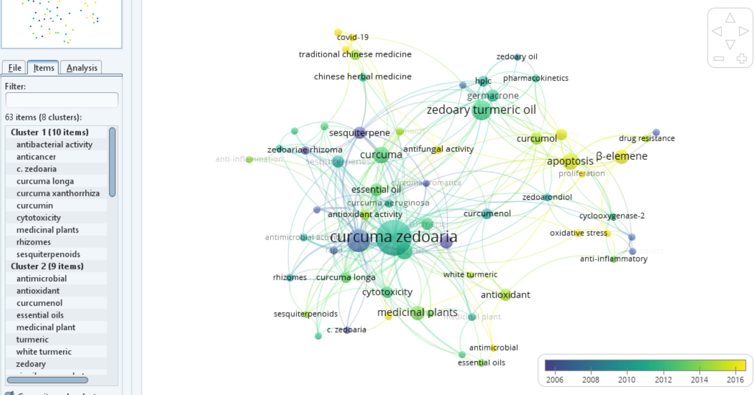
VOSVIEWER
 | 1881 A 2000 |  |  | 2001 A 2021
CO-OCCURENCE KEYWORDS AUTHOR |  |  | CO-OCCURENCE KEYWORDS AUTHOR
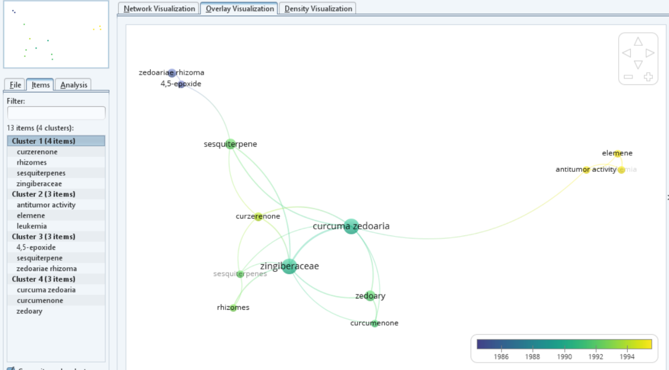
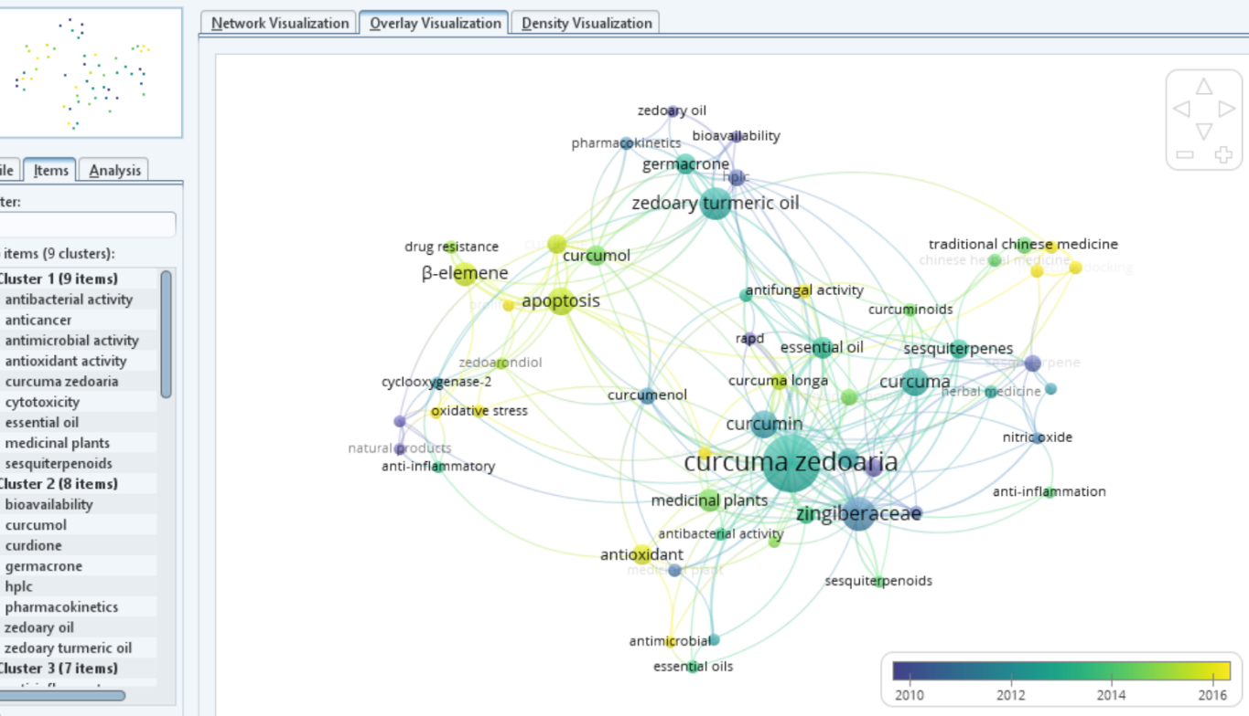

 |  | 1881 A 2021
 | CO-OCCURENCE KEYWORDS AUTHOR

VOS CO-AUTHORSHIP COUNTRIES
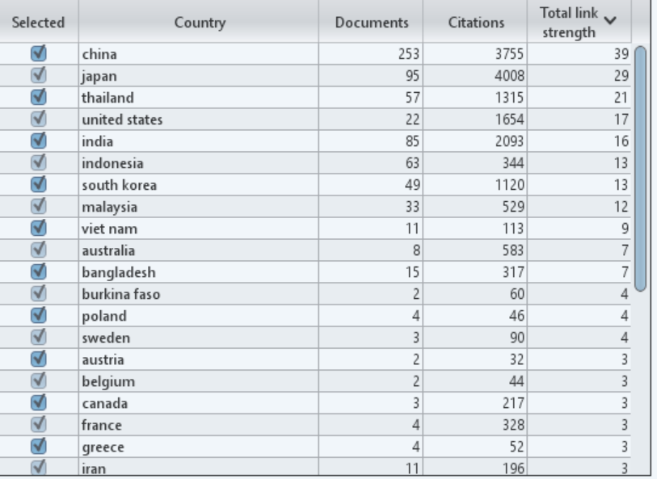
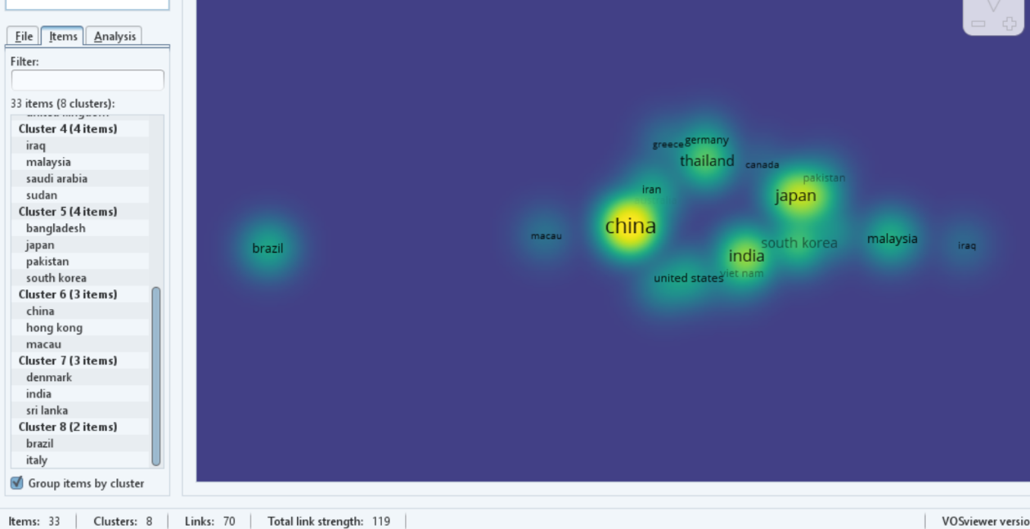
VOSVIEWER
 | 1881 A 2000 | 2001 A 2021

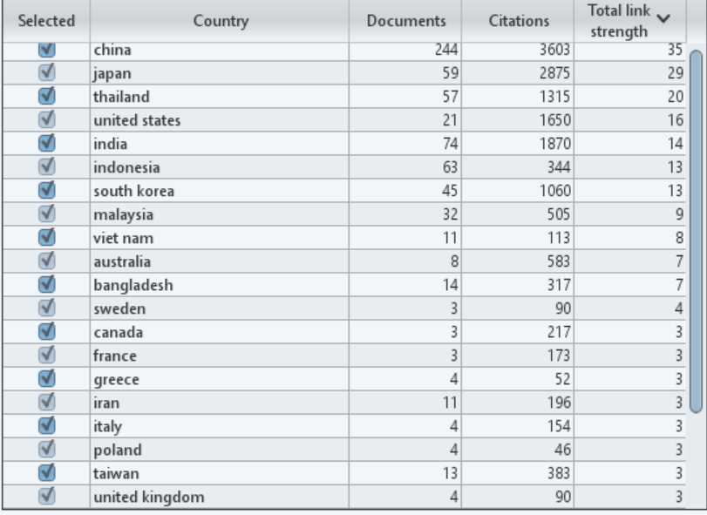
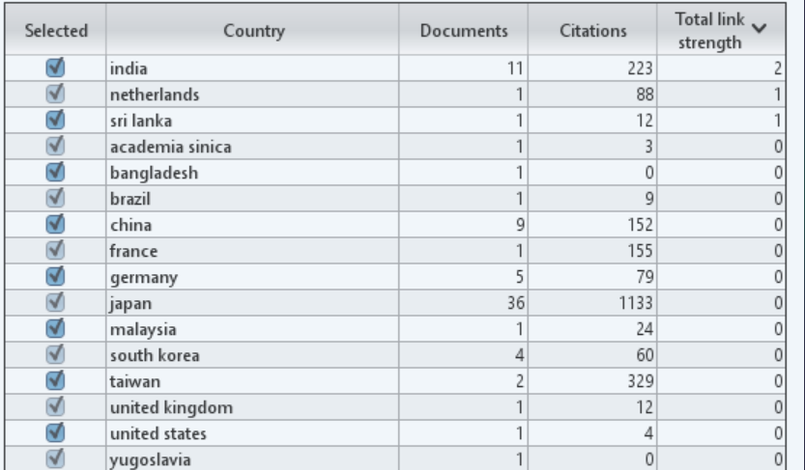

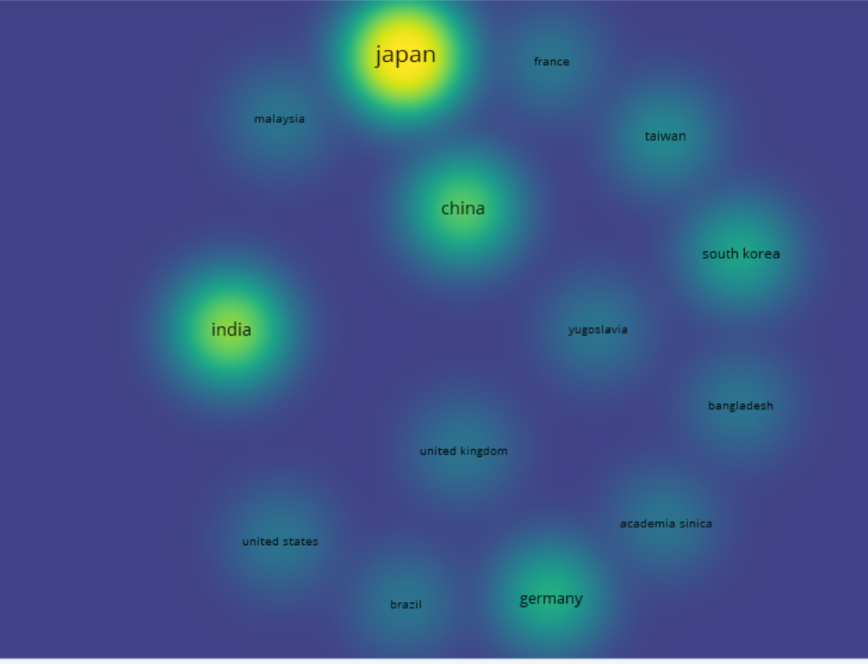

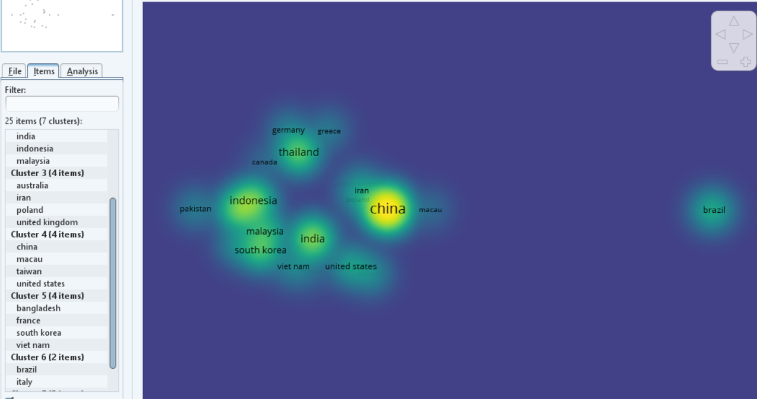

 | 1881 A 2021

VOS CO-CITATION
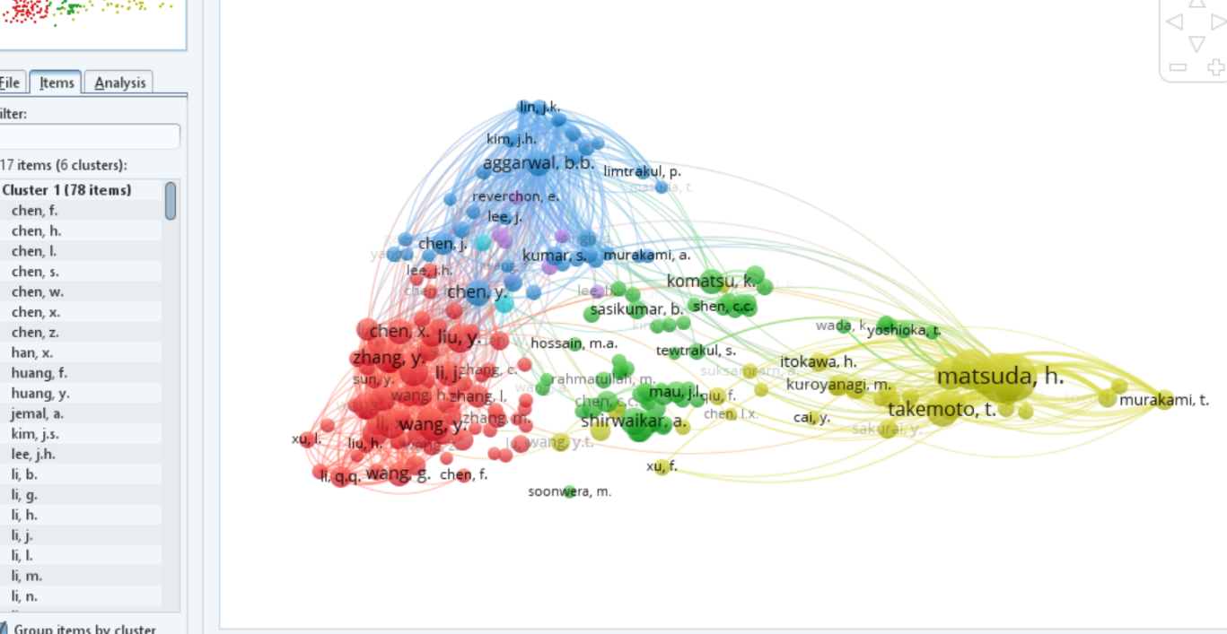
VOSVIEWER
 | 1881 A 2000 |  | 2001 A 2021
CO-CITATION AUTHOR CITED |  | CO-CITATION AUTHOR CITED
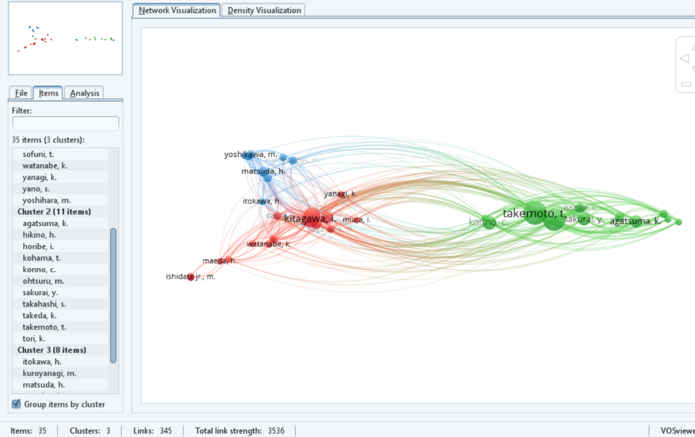
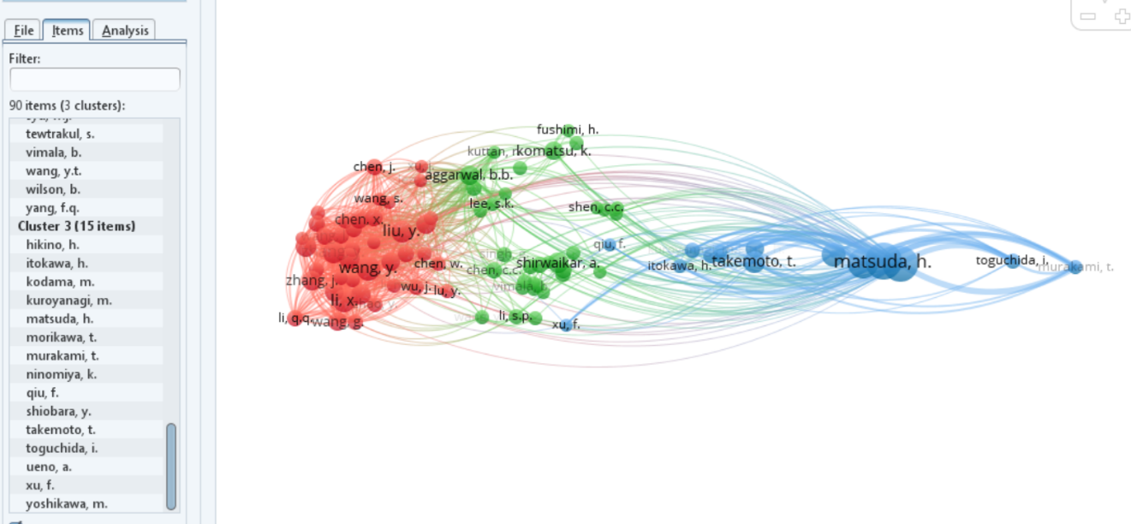

 | 1881 A 2021

